Sheet1
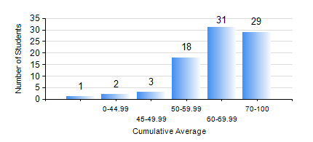
 |  |  | KWAME NKRUMAH UNIVERSITY OF SCIENCE AND TECHNOLOGY, KUMASI Department of Mechanical Engineering

 |  |  | BSC. AEROSPACE ENG., General Option

 |  |  | COMPREHENSIVE RECORD OF EXAMINATION RESULTS

 |  |  | RESULTS OF YEAR 1 SECOND SEMESTER, 2023/2024 ACADEMIC YEAR

 | Sn | Course Code |  | Course Name | Credit Hours | Min. Mark | Max. Mark | Avg. Mark | Std. Dev. | No. Passed | No. Trailed | No. (Df) | No. (I) | No. (I*) | No. Tagged(I,I*,Df) | Total
 | 0. |  |  |  |  |  |  | 0 | 0 | 0 | 0 | 0 | 0 | 0 | 0 | 4
 | 1. | AERO 174 |  | AEROSPACE DESIGN PROJECT I | 2 | 58 | 81 | 69 | 4.44 | 79 | 0 | 0 | 1 | 0 | 1 | 80
 | 2. | EE 152 |  | BASIC ELECTRONICS | 2 | 24 | 86 | 57 | 13.75 | 70 | 8 | 0 | 2 | 0 | 2 | 80
 | 3. | ENGL 158 |  | COMMUNICATION SKILLS II | 2 | 43 | 89 | 68 | 9.6 | 79 | 0 | 0 | 1 | 0 | 1 | 80
 | 4. | MATH 152 |  | CALCULUS WITH ANALYSIS | 4 | 45 | 80 | 66 | 9.34 | 78 | 0 | 0 | 2 | 0 | 2 | 80
 | 5. | ME 158 |  | ENGINEERING GRAPHICS | 3 | 21 | 92 | 60 | 14.97 | 72 | 5 | 0 | 3 | 0 | 3 | 80
 | 6. | ME 164 |  | STATICS OF SOLID MECHANICS | 2 | 19 | 98 | 60 | 15.01 | 78 | 1 | 0 | 1 | 0 | 1 | 80
 | 7. | ME 168 |  | COMPUTER PROGRAMMING FOR ENGINEERS | 2 | 40 | 82 | 56 | 11.51 | 78 | 0 | 0 | 2 | 0 | 2 | 80

